EXERCISES
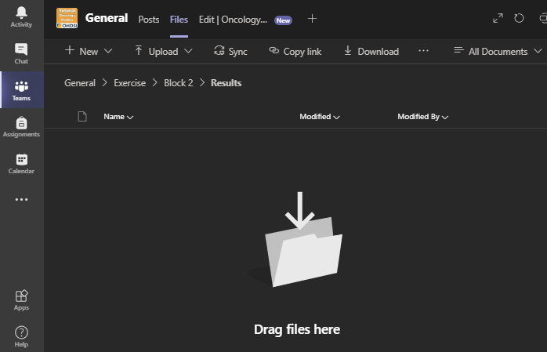
Exercise |  | ANSWER
1 | How many patients had a disease episode of primary malignant neoplasm of bladder with stage pT1?
2 | How many patients had an episode of remission after an episode of metastatic disease for the same overall disease?
3 | How many patients received a treatment regimen involving the drug ingredient Methotrexate?
4 | What is the maximum number of treatment cycles given for a Mitomycin monotherapy treatment regimen?

 | Use the 'cdm_oncology' schema
 | The other sheets in this workbook provide relevant CONCEPT_IDs or hints to find them
 | When finished, save this workbork with a file name that identifiers you or your group and drag it into MS Teams ( General > Exercise > Block 2 > Results)

